withspectra_density_radius
Number | Category | Component | Mineral class | Silicate class | Silicate mineral sub-class | Chemical formula/ Ideal formula | Density (Mgm-3) - not sure if measured or calculated, taken from Dixon Textbook | Measured Density (Mgm-3) | Calculated Density (Mgm-3) | Radius (nm) | crystal system | Volume (nm^3) | Effective radius from volume (nm) | Density reference | Radius reference (if different from density reference) | Primary/Secondary Minerals
1 | Minerals | halite | halite |  |  | NaCl | 2.17 |  |  | 0.564 | cubic |  |  | Dixon |  | secondary
2 | Minerals | gypsum | sulfates |  |  | CaSO4·2H2O | 2.32 |  |  | 0.567 * 1.515 * 0.628 | Monoclinic, β = 1.987 rad |  |  | Dixon |  | secondary
3 | Minerals | jarosite | sulfates |  |  | KFe3(SO4)2(OH)6 | 3.16 |  |  | 0.729 * 1.716 | Hex/rhomo |  |  | Dixon
4 | Minerals | calcite | carbonates |  |  | CaCO3 | 2.72 |  |  | 0.499*1.706 | Hex/rhomo |  |  | Dixon |  | secondary
5 | Minerals | dolomite | carbonates |  |  | CaMg(CO3)2 | 2.85 |  |  | 0.481*1.6 | Hex/rhomo |  |  | Dixon
7 | Minerals | trona | carbonates |  |  | Na2CO3·NaHCO3·2H2O | 2.15 |  |  | 2.011 * 0.349 * 1.033 | Monoclinic, β = 1.80 rad |  |  | Dixon
9 | Minerals | pyrite | sulfides |  |  | FeS2 | 5.01 |  |  | 0.542 | Cubic |  |  | Dixon
10 | Minerals | gibbsite | oxides and hydroxides |  |  | Al(OH)3 |  | 2.38-2.42 | 2.44 | 0.8684*0.5078*0.9736 | Monoclinic, β = 94.54° | 0.42798 |  | https://www.mindat.org/min-1689.html |  | secondary
13 | Minerals | diaspore | oxides and hydroxides |  |  | AlOOH |  | 3.2-3.5 | 3.38 | 0.44007*0.94253*0.28452 | Orthorhombic | 0.11801 |  | https://www.mindat.org/min-1285.html
14 | Minerals | corundum | oxides and hydroxides |  |  | Al2O3 |  | 3.98-4.1 | 3.997 | 0.475*1.2982 | Trigonal | 0.25354 |  | https://www.mindat.org/min-1136.html
15 | Minerals | hematite | oxides and hydroxides |  |  | Fe2O3 | 5.26 |  |  | 0.50340 * 1.3752 | Trigonal |  |  | Dixon |  | secondary
16 | Minerals | goethite | oxides and hydroxides |  |  | FeOOH | 4.26 |  |  | 0.4608 * 0.9956 * 0.30215 | Orthorhombic |  |  | Dixon
17 | Minerals | lepidocrocite | oxides and hydroxides |  |  | FeOOH | 4.09 |  |  | 0.388 * 1.254 * 0.307 | Orthorhombic |  |  | Dixon
18 | Minerals | maghemite | oxides and hydroxides |  |  | Fe2O3 | 4.87 |  |  | 0.834 | Cubic |  |  | Dixon |  |  | 1mm = 1000000nm
19 | Minerals | ferrihydrite | oxides and hydroxides |  |  | Fe5O7(OH)·4H2O | 3.96 |  |  | 0.508 * 0.94 | Trigonal |  |  | Dixon |  |  | Clay particles are smaller than 0.002 mm in diameter.
20 | Minerals | magnetite | oxides and hydroxides |  |  | Fe3O4 | 4.87 |  |  | 0.839 | Cubic |  |  | Dixon |  |  | Silt particles are from 0.002 to 0.05 mm in diameter.
24 | Minerals | pyrolusite | oxides and hydroxides |  |  | MnO2 |  | 5.04-5.08 | 5.189 | 0.44041*0.28765 | Tetragonal | 0.05579 |  | https://www.mindat.org/min-3318.html
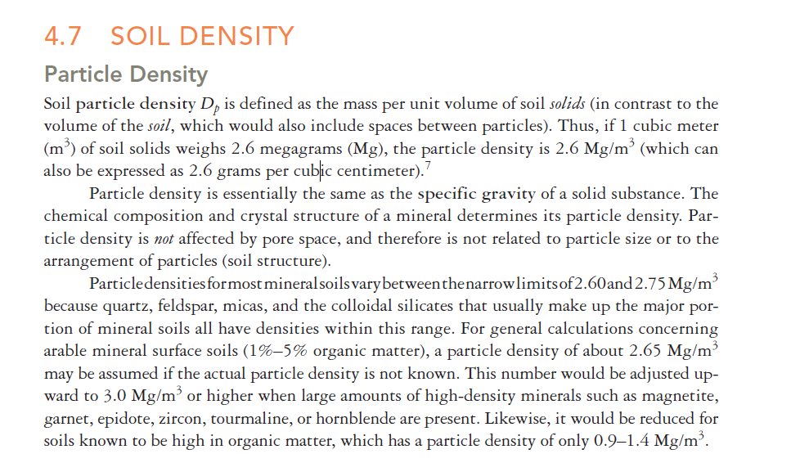
27 | Minerals | rutile | oxides and hydroxides |  |  | TiO2 | 4.23-5.5 |  |  | 0.45937 * 0.29581 | Tetragonal |  |  | Dixon |  | primary
29 | Minerals | ilmenite | oxides and hydroxides |  |  | FeTiO3 | 4.7-4.78 |  |  | 0.5088 * 1.4080 | Trigonal |  |  | Dixon |  | primary
30 | Minerals | forsterite | silicates | nesosilicates (SiO4)4- | olivine | Mg2SiO4 |  | 3.275 | 3.271 | 0.4754*1.01971*0.59806 | Orthorhombic | 0.28992 |  | https://www.mindat.org/min-1584.html |  | primary
32 | Minerals | zircon | silicates | nesosilicates (SiO4)4- |  | ZrSiO4 | 4.6-4.7 |  |  | 0.6604-0.6616 * 0.5979-0.6015 | Tetragonal |  |  | Dixon |  | primary
33 | Minerals | sphene | silicates | nesosilicates (SiO4)4- |  | CaTiO(SiO4) | 3.45-3.55 |  |  | 0.7039-0.7088 * 0.8653-0.874 * 0.6527-0.6548 | Monoclinic, β = 113.8° |  |  | Dixon | for β value: https://www.mindat.org/min-3977.html | primary
34 | Minerals | topaz | silicates | nesosilicates (SiO4)4- |  | Al2SiO4(F, OH)2 |  | 3.4-3.6 |  | 0.465*0.88*0.84 | Orthorhombic | 0.34373 |  | https://www.mindat.org/min-3996.html
36 | Minerals | andalusite | silicates | nesosilicates (SiO4)4- |  | Al2SiO5 |  | 3.13-3.21 | 3.149 | 0.7798*0.79031*0.55566 | Orthorhombic | 0.34244 |  | https://www.mindat.org/min-217.html
39 | Minerals | staurolite | silicates | nesosilicates (SiO4)4- |  | Fe2Al9O6(SiO4)(Si2O7)(OH) |  | 3.74-3.83 | 3.686 | 0.786*1.66*0.565 | Monoclinic, β = 90.45° | 0.73717 |  | https://www.mindat.org/min-3753.html
40 | Minerals | epidote | silicates | sorosilicates (Si2O7)6- |  | Ca2(Al,Fe)Al2O(SiO4)(Si2O7)(OH) |  | 3.38-3.49 | 3.43 | 0.88877*0.56275*1.01517 | Monoclinic, β = 115.383° | 0.45873 |  | https://www.mindat.org/min-1389.html |  | primary
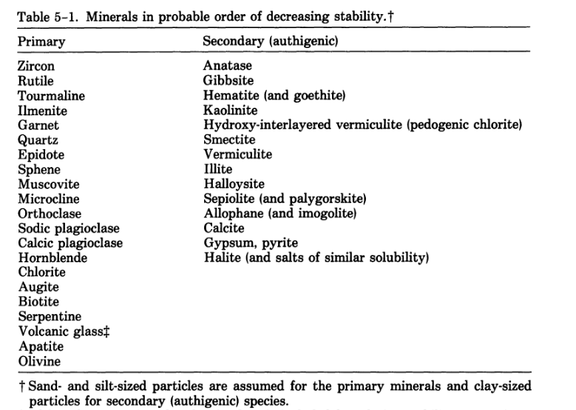
41 | Minerals | beryl | silicates | cyclosilicates (Si6O18)12- |  | Be3Al2(Si6O18) |  | 2.63-2.92 |  | 0.921*0.919 | Hexagonal | 0.6751 |  | https://www.mindat.org/min-819.html
42 | Minerals | tourmaline | silicates | cyclosilicates (Si6O18)12- |  | (Na,Ca)(Li, Mg, Al)(Al, Fe, Mn)6-(BO3)3(Si6O18)(OH)4 |  | 2.9-3.1 |  | 1.599*0.7195 | Trigonal | 1.59316 |  | https://www.mindat.org/min-4003.html | http://webmineral.com/data/Schorl.shtml#.ZBhiznbMIX6 | primary
43 | Minerals | augite | silicates | inosilicates (single chains) (SiO3)2- | pyroxenes | (Ca, Na)(Mg, Fe, Al)(Si, Al)2O6 |  | 3.19-3.56 | 3.31 | 0.9699*0.8844*0.5272 | Monoclinic, β = 106.97° | 0.43253 |  | https://www.mindat.org/min-419.html |  | primary
44 | Minerals | enstatite | silicates | inosilicates (single chains) (SiO3)2- | pyroxenes | MgSiO3 |  | 3.2-3.9 | 3.189 | 1.823*0.884*0.519 | Orthorhombic | 0.83639 |  | https://www.mindat.org/min-1384.html
45 | Minerals | hypersthene | silicates | inosilicates (single chains) (SiO3)2- | pyroxenes | (Mg,Fe)SiO3 |  | 3.2-3.9 | 3.69 | 1.82*0.883*0.52 | Orthorhombic | 0.83567 |  | http://webmineral.com/data/Hypersthene.shtml#.ZBhlNnbMIX4
46 | Minerals | diopside | silicates | inosilicates (single chains) (SiO3)2- | pyroxenes | CaMgSi2O6 |  | 3.22-3.38 | 3.278 | 0.9746*0.8899*0.5251 | Monoclinic, β = 105.79° | 0.43823 |  | https://www.mindat.org/min-1294.html
47 | Minerals | hedenbergite | silicates | inosilicates (single chains) (SiO3)2- | pyroxenes | CaFeSi2O6 |  | 3.56 | 3.65 | 0.985*0.901*0.525 | Monoclinic, β = 104.82° | 0.45043 |  | https://www.mindat.org/min-1842.html
48 | Minerals | wollastonite | silicates | inosilicates (single chains) (SiO3)2- | pyroxenoids | CaSiO3 |  | 2.86-3.09 | 2.9 | 0.794*0.732*0.707 | Triclinic, α = 90.03°, β = 95.37°, γ = 103.43° | 0.39782 |  | https://www.mindat.org/min-4323.html
49 | Minerals | rhodonite | silicates | inosilicates (single chains) (SiO3)2- | pyroxenoids | MnSiO3 |  | 3.57-3.76 | 3.726 | 0.9758*1.0499*1.2205 | Triclinic, α = 108.58°, β = 102.92°, γ = 82.52° | 1.15286 |  | https://www.mindat.org/min-3407.html
50 | Minerals | hornblende | silicates | inosilicates (double chains) (Si4O11)6- | amphiboles | (Ca, Na)2-3(Mg,Fe,Al)5Si6-(Si, Al)2O22(OH)2 |  | 3-3.4 |  | 0.98307*1.80659*0.52968 | Monoclinic, β = 104.771° | 0.90963 |  | https://www.mindat.org/min-1930.html | Magnesio-hornblende - https://www.mindat.org/min-2524.html | primary
51 | Minerals | tremolite | silicates | inosilicates (double chains) (Si4O11)6- | amphiboles | Ca2Mg5Si8O22(OH)2 |  | 2.99-3.03 | 2.964 | 0.984*1.802*0.527 | Monoclinic, β = 104.95° | 0.90283 |  | https://www.mindat.org/min-4011.html
52 | Minerals | actinolite | silicates | inosilicates (double chains) (Si4O11)6- | amphiboles | Ca2(Mg, Fe)5Si8O22(OH)2 |  | 3.03-3.24 | 3.07 | 0.9891*1.82*0.5305 | Monoclinic, β = 104.64° | 0.92398 |  | https://www.mindat.org/min-18.html
53 | Minerals | cummingtonite | silicates | inosilicates (double chains) (Si4O11)6- | amphiboles | (Mg, Fe)7Si8O22(OH)2 |  | 3.1-3.6 | 3.3 | 0.953*1.823*0.532 | Monoclinic, β = 101.97° | 0.90416 |  | https://www.mindat.org/min-1170.html
55 | Minerals | muscovite | silicates | phyllosilicates (Si2O5)2- | micas | KAl2(AlSi3O10)(OH)2 |  | 2.77-2.88 | 2.83 | 0.5186*0.8952*0.1012 | Monoclinic, β = 101.8° | 0.45989 |  | https://www.mindat.org/min-2815.html |  | primary
56 | Minerals | biotite | silicates | phyllosilicates (Si2O5)2- | micas | K(Mg, Fe)3(AlSi3O10)(OH)2 |  | 2.8-3.4 | 2.89 | 0.5343*0.9258*1.0227 | Monoclinic, β = 100.26° | 0.49779 |  | http://webmineral.com/data/Biotite.shtml#.ZBh2iXbMIX7 |  | primary
57 | Minerals | phlogopite | silicates | phyllosilicates (Si2O5)2- | micas | KMg3(AlSi3O10)(OH)2 |  | 2.78-2.85 | 2.79 | 0.53078*0.91901*1.01547 | Monoclinic, β = 100.08° | 0.48769 |  | https://www.mindat.org/min-3193.html
58 | Minerals | chlorite | silicates | phyllosilicates (Si2O5)2- |  | (Mg, Fe)3(Si, Al)4O10(OH)2-(Mg, Fe)3(OH)6 |  | 2.6-3.3 |  | 0.5370*0.9303*1.4261 | Monoclinic, β = 97.234° |  |  | https://www.mindat.org/min-1016.html |  | primary
59 | Minerals | talc | silicates | phyllosilicates (Si2O5)2- | clay minerals (selected) | Mg3Si4O10(OH)2 |  | 2.58-2.83 | 2.78 | 0.529*0.9173*0.946 | Triclinic, α = 90.46°, β = 98.68°, γ = 90.09° | 0.45377 |  | https://www.mindat.org/min-3875.html |  | secondary
60 | Minerals | pyrophyllite | silicates | phyllosilicates (Si2O5)2- | clay minerals (selected) | Al2Si4O10(OH)2 |  | 2.65-2.9 | 2.81 | 0.5160*0.8966*0.9347 | Triclinic, α = 91.18°, β = 100.46°, γ = 89.64° | 0.42516 |  | https://www.mindat.org/min-3323.html |  | secondary
61 | Minerals | kaolinite | silicates | phyllosilicates (Si2O5)2- | clay minerals (selected) | Al2Si4O10(OH)2 |  | 2.65 | 2.63 | 0.513*0.889*0.725 | Triclinic, α = 90°, β = 104.5°, γ = 89.8° | 0.32011 |  | https://www.mindat.org/min-2156.html |  | secondary
62 | Minerals | ammonio-smectite | silicates | phyllosilicates (Si2O5)2- | clay minerals (selected) | variable |  | 2.0-2.6 |  | 0.5240*0.9094*1.0797 | Monoclinic, β = 99.210° |  |  | https://www.researchgate.net/publication/279501728_Characteristics_of_mixed-layer_smectiteillite_density_separates_during_burial_diagenesis | https://www.mindat.org/min-11119.html | secondary
63 | Minerals | vermiculite | silicates | phyllosilicates (Si2O5)2- | clay minerals (selected) | variable |  | 2.3-2.7 | 2.32 | 0.526*0.923*1.497 | Monoclinic, β = 96.82° | 0.72165 |  | http://webmineral.com/data/Vermiculite.shtml#.ZB2TX3bMIX4 |  | secondary
64 | Minerals | antigorite | silicates | phyllosilicates (Si2O5)2- | serpentines | Mg3Si2O5(OH)4 |  | 2.5-2.6 | 2.52 | 4.353*0.925*0.726 | Monoclinic, β = 91.13° | 2.92269 |  | https://www.mindat.org/min-260.html |  | primary
65 | Minerals | chrysotile | silicates | phyllosilicates (Si2O5)2- | chrysotile | Mg3Si2O5(OH)4 |  | 2.53 | 2.6 | 0.5340*0.9241*1.4689 | Monoclinic, β = 93.66° | 0.72338 |  | https://www.webmineral.com/data/Chrysotile.shtml | https://www.mindat.org/min-975.html
66 | Minerals | orthoclase | silicates | tectosilicates(SiO2)0 | feldspars | KAlSi3O8 |  | 2.55-2.63 | 2.563 | 0.85632*1.2963*0.7299 | Monoclinic, β = 116.073° | 0.72457 |  | https://www.mindat.org/min-3026.html |  | primary
67 | Minerals | albite | silicates | tectosilicates(SiO2)0 | feldspars | NaAlSi3O8 |  | 2.6-2.65 | 2.615 | 0.816*1.287*0.711 | Triclinic, α = 93.45°, β = 116.4°, γ = 90.28° | 0.66719 |  | https://www.mindat.org/min-96.html
68 | Minerals | anorthite | silicates | tectosilicates(SiO2)0 | feldspars | CaAl2Si3O8 |  | 2.74-2.76 | 2.76 | 0.81768*1.28768*1.4169 | Triclinic, α = 93.17°, β = 115.85°, γ = 92.22° | 1.33725 |  | https://www.mindat.org/min-246.html
69 | Minerals | quartz | silicates | tectosilicates(SiO2)0 | SiO2 Group | SiO2 | 2.65 |  |  | 0.49133*0.54053 | Trigonal | 0.113 |  | Dixon | https://www.mindat.org/min-3337.html | primary
72 | Minerals | analcime | silicates | tectosilicates(SiO2)0 | zeolites | NaAlSi2O6·H2O | 2.25 |  |  | 1.37 | Cubic |  |  | Dixon
73 | Minerals | clinoptilolite | silicates | tectosilicates(SiO2)0 | zeolites | (Na3K3)(Al6i30O72)·24H2O | 2.16 |  |  | 1.77 * 1.79 * 0.74, beta = 116 degrees | Monoclinic, β = 116° |  |  | Dixon
74 | Minerals | nepheline | silicates | tectosilicates(SiO2)0 | feldspathoids | (Na, K)AlSiO4 |  | 2.55-2.66 | 2.64 | 0.9993*0.8374 | Hexagonal | 0.72419 |  | https://www.mindat.org/min-2880.html
75 | Minerals | montmorillonite |  |  |  |  |  | 2023-02-03 |  | 0.517*0.894*0.995 | Monoclinic, β = 99.54° | 0.45353 |  | https://www.mindat.org/min-2821.html
76 | Minerals | illite |  |  |  |  |  | 2.79-2.8 | 2.61 | 0.519*0.895*0.995 | Monoclinic, β = 94.87° | 0.46051 |  | https://www.mindat.org/min-2011.html |  | secondary
88 | Minerals | Almandine | garnets |  |  | (Fe+2)3Al2(SiO4)3 |  | 4.318 | 4.313 | 1.1526 | Isometric | 1.53121 |  | https://www.mindat.org/min-452.html |  | primary
89 | Minerals | Andradite | garnets |  |  | Ca3(Fe+3)2(SiO4)3 |  | 3.8-3.9 | 3.859 | 1.2056 | Isometric | 1.75231 |  | https://www.mindat.org/min-223.html |  | primary
90 | Minerals | Grossular | garnets |  |  | Ca3Al2(SiO4)3 |  | 3.594 | 3.594 | 1.1851 | Isometric | 1.66443 |  | https://www.mindat.org/min-1755.html |  | primary
91 | Minerals | Spessartine | garnets |  |  | Mn3Al2(SiO4)3 |  | 4.12-4.32 | 4.19 | 1.1621 | Isometric | 1.56939 |  | https://www.mindat.org/min-3725.html |  | primary
92 | Minerals | Uvarovite | garnets |  |  | Ca3Cr(+3)2(SiO4)3 |  | 3.77-3.81 | 3.848 | 1.199 | Isometric | 1.72368 |  | https://www.mindat.org/min-4125.html |  | primary
96 | Minerals | brookite | oxides and hydroxides |  |  | TiO2 |  | 4.08-4.18 | 4.133 | 0.4558*0.91819*0.51429 | Orthorhombic | 0.25763 |  | https://www.mindat.org/min-787.html
99 | Minerals | Beidellite | layer-sillicate |  |  | Ca0.25(Si3.5Al0.5)Al2O10(OH)2 |  | 2023-02-03 |  | 0.517*0.897*1.757 | Monoclinic, β = 90° | 0.81481 |  | https://www.mindat.org/min-604.html
100 | Minerals | nontronite | layer-sillicate |  |  | Ca0.25(Si3.5Al0.5)Fe3+2O10(OH)2 |  | 2.2-2.3 |  | 0.524*0.911*1.53 | Monoclinic, β = 90° | 0.73037 |  | https://www.mindat.org/min-2924.html
101 | Minerals | hectorite | layer-sillicate |  |  | Ca0.165Si4(Mg2.67Li0.33)O10(OH)2 |  | 2.3 |  | 0.525*0.918*1.6 | Monoclinic, β = 99° | 0.76163 |  | https://www.mindat.org/min-1841.html
102 | Minerals | saponite | layer-sillicate |  |  | Ca0.165(Si3.67Al0.33)Mg3O10(OH)2 |  | 2.24-2.30 |  | 0.53*0.914*1.69 | Monoclinic, β = 97° | 0.81257 |  | https://www.mindat.org/min-3528.html
103 | Minerals | microcline | primary mineral | tectosilicates(SiO2)0 | feldspars | KAlSi3O8 |  | 2.54-2.57 | 2.56 | 0.85784*1.296*0.72112 | Triclinic, α = 90.3°, β = 116.05°, γ = 89° | 0.72016 |  | https://www.mindat.org/min-2704.html |  | primary
104 | Minerals | hydroxyl-apatite | primary mineral |  |  | Ca5(P04)3(OH) |  | 3.10-3.21 | 3.16 | 0.941*0.688 | Hexagonal | 0.52759 |  | https://www.mindat.org/min-1992.html |  | primary
105 | Minerals | chlorapatite | primary mineral |  |  | Ca5(PO4)3Cl |  | 3.17-3.18 | 3.17 | 0.95979*0.67762 | Hexagonal | 0.54059 |  | https://www.mindat.org/min-1013.html |  | primary
106 | Minerals | fluorapatite | primary mineral |  |  | Ca5(PO4)3F |  | 3.1-3.25 | 3.18 | 0.93973*0.68782 | Hexagonal | 0.52603 |  | https://www.mindat.org/min-1572.html |  | primary
107 | Minerals | halloysite | secondary mineral |  |  | Al2Si2O5(OH)4 |  | 2-2.65 | 2.14 | 0.514*0.89*0.7214 | Monoclinic, β = 99.7° | 0.32529 |  | https://www.mindat.org/min-1808.html |  | secondary
108 | Minerals | sepiolite | secondary mineral |  |  | Mg4Si6O15(OH)2*H2O |  | 2.0-2.2 | 2.25 | 0.521*2.673*1.35 | Orthorhombic | 1.88005 |  | https://www.mindat.org/min-3621.html |  | secondary
111 | Minerals | psilomelane | manganese oxides |  |  | BaMn9O16(OH)4 |  | 4.7-4.72 |  | 0.956*0.288*1.385 | Monoclinic, β = 92.5° | 0.38097 |  | https://www.mindat.org/min-3304.html | http://www.webmineral.com/data/Psilomelane.shtml#.ZBkfqXbMIX4
112 | Minerals | siderite | carbonates |  |  | FeCO3 | 3.96 |  |  | 0.469 * 1.538 | Hex/rhombo |  |  | Dixon
113 | Minerals | aragonite | carbonates |  |  | CaCO3 | 2.94 |  |  | 0.496 * 0.797 * 0.574 | Orthorhombic |  |  | Dixon
114 | Minerals | magnesite | carbonates |  |  | MgCO3 | 3.0-3.2 |  |  | 0.463 * 1.501 | Hex/rhombo |  |  | Dixon
115 | Minerals | hydromagnesite | carbonates |  |  | 3MgCO3Mg(OH)2·3H2O | 2.25 |  |  | 1.011 * 0.894 * 0.838 | Monoclinic, β = 2.00 rad |  |  | Dixon
118 | Minerals | bassanite | sulfates |  |  | CaSO4·1/2H2O | 2.7 |  |  | 0.695 * 0.634 | Ditrigonal scalenhedral |  |  | Dixon
119 | Minerals | anhydrite | sulfates |  |  | CaSO4 | 2.89-2.98 |  |  | 0.622 * 0.696 * 0.697 | Orthorhombic |  |  | Dixon
120 | Minerals | barite | sulfates |  |  | BaSO4 | 4.5 |  |  | 0.885 * 0.543 * 0.713 | Orthorhombic |  |  | Dixon
124 | Minerals | thenardite | soluble minerals |  |  | NaSO4 | 2.66 |  |  | 0.586 * 1.23 * 0.982 | Orthorhombic |  |  | Dixon
125 | Minerals | mirabilite | soluble minerals |  |  | Na2SO4·10H2O | 1.49 |  |  | 1.284 * 1.087 * 1.152 | Monoclinic, β = 1.77 rad |  |  | Dixon
126 | Minerals | bloedite | soluble minerals |  |  | Na2MgSO4·4H2O | 2.25 |  |  | 1.113 * 0.825 * 0.554 | Monoclinic, β = 1.75 rad |  |  | Dixon
129 | Minerals | epsomite | soluble minerals |  |  | MgSO4·7H2O | 1.68 |  |  | 1.186 * 1.199 * 0.686 | Orthorhombic |  |  | Dixon
137 | Minerals | xenotime | phosphates |  |  | Y(PO4) |  | 4.4-5.1 | 4.27 | 0.689*0.603 | Tetragonal | 0.28626 |  | http://www.webmineral.com/data/Xenotime-(Y).shtml#.ZBXYBHbMIX6
138 | Minerals | monazite | phosphates |  |  | Ce(PO4) |  | 4.8-5.5 | 5.34 | 0.679*0.701*0.646 | Monoclinic, β = 103.633° | 0.29882 |  | http://webmineral.com/data/Monazite-(Ce).shtml#.ZBXZJXbMIX5

withspectra_composition_by_mass
Number | Category | Component | Mineral class | Silicate class | Silicate mineral sub-class | Chemical formula/ Ideal formula | Average Composition by mass % | Mineral Component Group for calculating mass composition | Data Source
1 | Minerals | halite | halite |  |  | NaCl |  |  | Geochemical and Mineralogical Data for Soils of the Conterminous United States
2 | Minerals | gypsum | sulfates |  |  | CaSO4·2H2O | 0.2 | gypsum
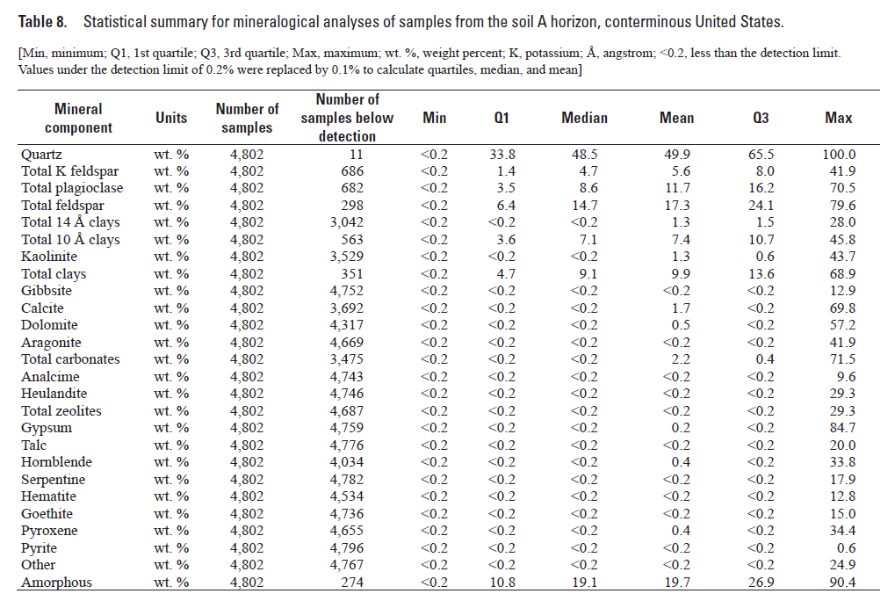
3 | Minerals | jarosite | sulfates |  |  | KFe3(SO4)2(OH)6
4 | Minerals | calcite | carbonates |  |  | CaCO3 | 0.028571428571 | carbonates
5 | Minerals | dolomite | carbonates |  |  | CaMg(CO3)2 | 0.028571428571 | carbonates
7 | Minerals | trona | carbonates |  |  | Na2CO3·NaHCO3·2H2O | 0.028571428571 | carbonates
9 | Minerals | pyrite | sulfides |  |  | FeS2 | 0.2 | pyrite
10 | Minerals | gibbsite | oxides and hydroxides |  |  | Al(OH)3 | 0.2 | gibbsite
13 | Minerals | diaspore | oxides and hydroxides |  |  | AlOOH
14 | Minerals | corundum | oxides and hydroxides |  |  | Al2O3 | 0.066666666667 | hematite
15 | Minerals | hematite | oxides and hydroxides |  |  | Fe2O3 | 0.066666666667 | hematite
16 | Minerals | goethite | oxides and hydroxides |  |  | FeOOH | 0.1 | goethite
17 | Minerals | lepidocrocite | oxides and hydroxides |  |  | FeOOH | 0.1 | goethite
18 | Minerals | maghemite | oxides and hydroxides |  |  | Fe2O3 | 0.066666666667 | hematite
19 | Minerals | ferrihydrite | oxides and hydroxides |  |  | Fe5O7(OH)·4H2O
20 | Minerals | magnetite | oxides and hydroxides |  |  | Fe3O4
24 | Minerals | pyrolusite | oxides and hydroxides |  |  | MnO2
27 | Minerals | rutile | oxides and hydroxides |  |  | TiO2
29 | Minerals | ilmenite | oxides and hydroxides |  |  | FeTiO3
30 | Minerals | forsterite | silicates | nesosilicates (SiO4)4- | olivine | Mg2SiO4
32 | Minerals | zircon | silicates | nesosilicates (SiO4)4- |  | ZrSiO4
33 | Minerals | sphene | silicates | nesosilicates (SiO4)4- |  | CaTiO(SiO4)
34 | Minerals | topaz | silicates | nesosilicates (SiO4)4- |  | Al2SiO4(F, OH)2
36 | Minerals | andalusite | silicates | nesosilicates (SiO4)4- |  | Al2SiO5
39 | Minerals | staurolite | silicates | nesosilicates (SiO4)4- |  | Fe2Al9O6(SiO4)(Si2O7)(OH)
40 | Minerals | epidote | silicates | sorosilicates (Si2O7)6- |  | Ca2(Al,Fe)Al2O(SiO4)(Si2O7)(OH)
41 | Minerals | beryl | silicates | cyclosilicates (Si6O18)12- |  | Be3Al2(Si6O18)
42 | Minerals | tourmaline | silicates | cyclosilicates (Si6O18)12- |  | (Na,Ca)(Li, Mg, Al)(Al, Fe, Mn)6-(BO3)3(Si6O18)(OH)4
43 | Minerals | augite | silicates | inosilicates (single chains) (SiO3)2- | pyroxenes | (Ca, Na)(Mg, Fe, Al)(Si, Al)2O6 | 0.04 | pyroxene
44 | Minerals | enstatite | silicates | inosilicates (single chains) (SiO3)2- | pyroxenes | MgSiO3 | 0.04 | pyroxene
45 | Minerals | hypersthene | silicates | inosilicates (single chains) (SiO3)2- | pyroxenes | (Mg,Fe)SiO3 | 0.04 | pyroxene
46 | Minerals | diopside | silicates | inosilicates (single chains) (SiO3)2- | pyroxenes | CaMgSi2O6 | 0.04 | pyroxene | # of minerals included in this table = 42
47 | Minerals | hedenbergite | silicates | inosilicates (single chains) (SiO3)2- | pyroxenes | CaFeSi2O6 | 0.04 | pyroxene | # of minerals not included in this table = 47
48 | Minerals | wollastonite | silicates | inosilicates (single chains) (SiO3)2- | pyroxenoids | CaSiO3
49 | Minerals | rhodonite | silicates | inosilicates (single chains) (SiO3)2- | pyroxenoids | MnSiO3 |  |  | Mineral Component Group | Median Abundance % | # of components in the group
50 | Minerals | hornblende | silicates | inosilicates (double chains) (Si4O11)6- | amphiboles | (Ca, Na)2-3(Mg,Fe,Al)5Si6-(Si, Al)2O22(OH)2 | 0.2 | hornblende | Quartz | 48.5 | 1
51 | Minerals | tremolite | silicates | inosilicates (double chains) (Si4O11)6- | amphiboles | Ca2Mg5Si8O22(OH)2 |  |  | Total feldspar | 14.7 | 4
52 | Minerals | actinolite | silicates | inosilicates (double chains) (Si4O11)6- | amphiboles | Ca2(Mg, Fe)5Si8O22(OH)2 |  |  | Total clays | 9.1 | 11
53 | Minerals | cummingtonite | silicates | inosilicates (double chains) (Si4O11)6- | amphiboles | (Mg, Fe)7Si8O22(OH)2 |  |  | gibbsite | 0.2 | 1
55 | Minerals | muscovite | silicates | phyllosilicates (Si2O5)2- | micas | KAl2(AlSi3O10)(OH)2 |  |  | total carbonates | 0.2 | 7
56 | Minerals | biotite | silicates | phyllosilicates (Si2O5)2- | micas | K(Mg, Fe)3(AlSi3O10)(OH)2 |  |  | total zeolites | 0.2 | 2
57 | Minerals | phlogopite | silicates | phyllosilicates (Si2O5)2- | micas | KMg3(AlSi3O10)(OH)2 |  |  | gypsum | 0.2 | 1
58 | Minerals | chlorite | silicates | phyllosilicates (Si2O5)2- |  | (Mg, Fe)3(Si, Al)4O10(OH)2-(Mg, Fe)3(OH)6 |  |  | talc | 0.2 | 1
59 | Minerals | talc | silicates | phyllosilicates (Si2O5)2- | clay minerals (selected) | Mg3Si4O10(OH)2 | 0.2 | total clays | hornblende | 0.2 | 1
60 | Minerals | pyrophyllite | silicates | phyllosilicates (Si2O5)2- | clay minerals (selected) | Al2Si4O10(OH)2 | 0.82727272727 | total clays | serpentine | 0.2 | 2
61 | Minerals | kaolinite | silicates | phyllosilicates (Si2O5)2- | clay minerals (selected) | Al2Si4O10(OH)2 | 0.82727272727 | total clays | hematite | 0.2 | 3
62 | Minerals | ammonio-smectite | silicates | phyllosilicates (Si2O5)2- | clay minerals (selected) | variable | 0.82727272727 | total clays | goethite | 0.2 | 2
63 | Minerals | vermiculite | silicates | phyllosilicates (Si2O5)2- | clay minerals (selected) | variable | 0.82727272727 | total clays | pyroxene | 0.2 | 5
64 | Minerals | antigorite | silicates | phyllosilicates (Si2O5)2- | serpentines | Mg3Si2O5(OH)4 | 0.1 | serpentine | pyrite | 0.2 | 1
65 | Minerals | chrysotile | silicates | phyllosilicates (Si2O5)2- | chrysotile | Mg3Si2O5(OH)4 | 0.1 | serpentine | sum | 74.5 | 42
66 | Minerals | orthoclase | silicates | tectosilicates(SiO2)0 | feldspars | KAlSi3O8 | 3.675 | feldspar
67 | Minerals | albite | silicates | tectosilicates(SiO2)0 | feldspars | NaAlSi3O8 | 3.675 | feldspar
68 | Minerals | anorthite | silicates | tectosilicates(SiO2)0 | feldspars | CaAl2Si3O8 | 3.675 | feldspar
69 | Minerals | quartz | silicates | tectosilicates(SiO2)0 | SiO2 Group | SiO2 | 48.5 | quartz
72 | Minerals | analcime | silicates | tectosilicates(SiO2)0 | zeolites | NaAlSi2O6·H2O | 0.1 | total zeolites
73 | Minerals | clinoptilolite | silicates | tectosilicates(SiO2)0 | zeolites | (Na3K3)(Al6i30O72)·24H2O | 0.1 | total zeolites
74 | Minerals | nepheline | silicates | tectosilicates(SiO2)0 | feldspathoids | (Na, K)AlSiO4
75 | Minerals | montmorillonite |  |  | clay minerals (selected) |  | 0.82727272727 | total clays
76 | Minerals | illite |  |  | clay minerals (selected) |  | 0.82727272727 | total clays
88 | Minerals | Almandine | silicates | garnets |  | (Fe+2)3Al2(SiO4)3
89 | Minerals | Andradite | silicates | garnets |  | Ca3(Fe+3)2(SiO4)3
90 | Minerals | Grossular | silicates | garnets |  | Ca3Al2(SiO4)3
91 | Minerals | Spessartine | silicates | garnets |  | Mn3Al2(SiO4)3
92 | Minerals | Uvarovite | silicates | garnets |  | Ca3Cr(+3)2(SiO4)3
96 | Minerals | brookite | oxides and hydroxides |  |  | TiO2
99 | Minerals | Beidellite | layer-sillicate |  |  | Ca0.25(Si3.5Al0.5)Al2O10(OH)2 | 0.82727272727 | total clays
100 | Minerals | nontronite | layer-sillicate |  |  | Ca0.25(Si3.5Al0.5)Fe3+2O10(OH)2 | 0.82727272727 | total clays
101 | Minerals | hectorite | layer-sillicate |  |  | Ca0.165Si4(Mg2.67Li0.33)O10(OH)2 | 0.82727272727 | total clays
102 | Minerals | saponite | layer-sillicate |  |  | Ca0.165(Si3.67Al0.33)Mg3O10(OH)2 | 0.82727272727 | total clays
103 | Minerals | microcline | primary mineral | tectosilicates(SiO2)0 | feldspars | KAlSi3O8 | 3.675 | feldspar
104 | Minerals | hydroxyl-apatite | primary mineral |  |  | Ca5(P04)3(OH)
105 | Minerals | chlorapatite | primary mineral |  |  | Ca5(PO4)3Cl
106 | Minerals | fluorapatite | primary mineral |  |  | Ca5(PO4)3F
107 | Minerals | halloysite | secondary mineral |  |  | Al2Si2O5(OH)4 | 0.82727272727 | total clays
108 | Minerals | sepiolite | secondary mineral |  |  | Mg4Si6O15(OH)2*H2O
111 | Minerals | psilomelane | manganese oxides |  |  | BaMn9O16(OH)4
112 | Minerals | siderite | carbonates |  |  | FeCO3 | 0.028571428571 | carbonates
113 | Minerals | aragonite | carbonates |  |  | CaCO3 | 0.028571428571 | carbonates
114 | Minerals | magnesite | carbonates |  |  | MgCO3 | 0.028571428571 | carbonates
115 | Minerals | hydromagnesite | carbonates |  |  | 3MgCO3Mg(OH)2·3H2O | 0.028571428571 | carbonates
118 | Minerals | bassanite | sulfates |  |  | CaSO4·1/2H2O
119 | Minerals | anhydrite | sulfates |  |  | CaSO4
120 | Minerals | barite | sulfates |  |  | BaSO4
124 | Minerals | thenardite | soluble minerals |  |  | NaSO4
125 | Minerals | mirabilite | soluble minerals |  |  | Na2SO4·10H2O
126 | Minerals | bloedite | soluble minerals |  |  | Na2MgSO4·4H2O
129 | Minerals | epsomite | soluble minerals |  |  | MgSO4·7H2O
137 | Minerals | xenotime | phosphates |  |  | Y(PO4)
138 | Minerals | monazite | phosphates |  |  | Ce(PO4)
 |  |  |  |  |  |  | 74.5

